Wheel Draft
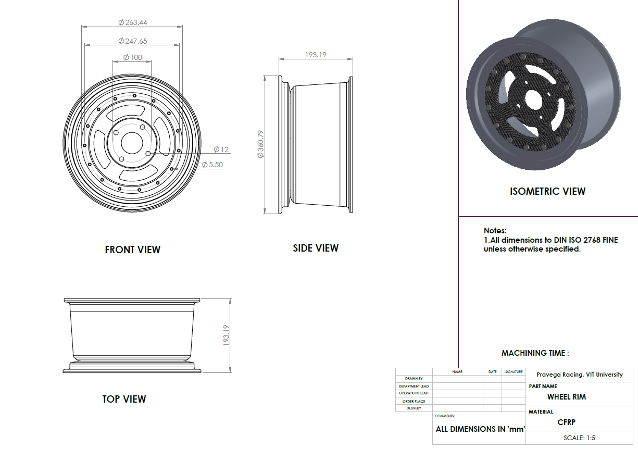

Tire Draft
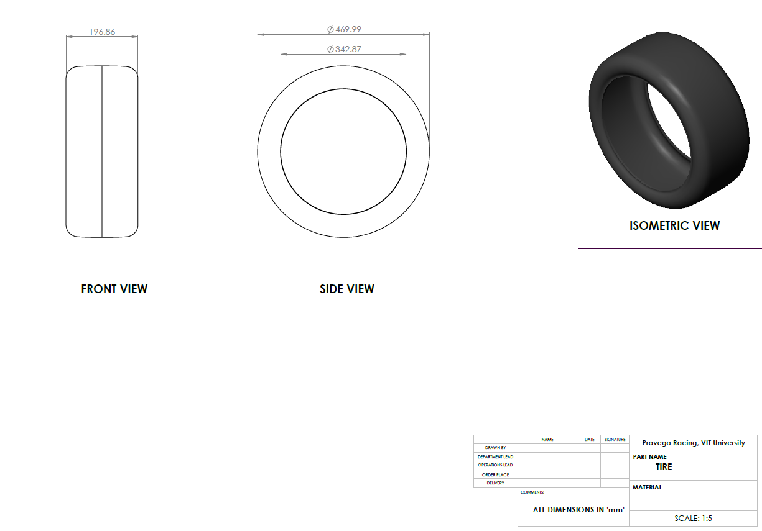

Rear Hub Draft
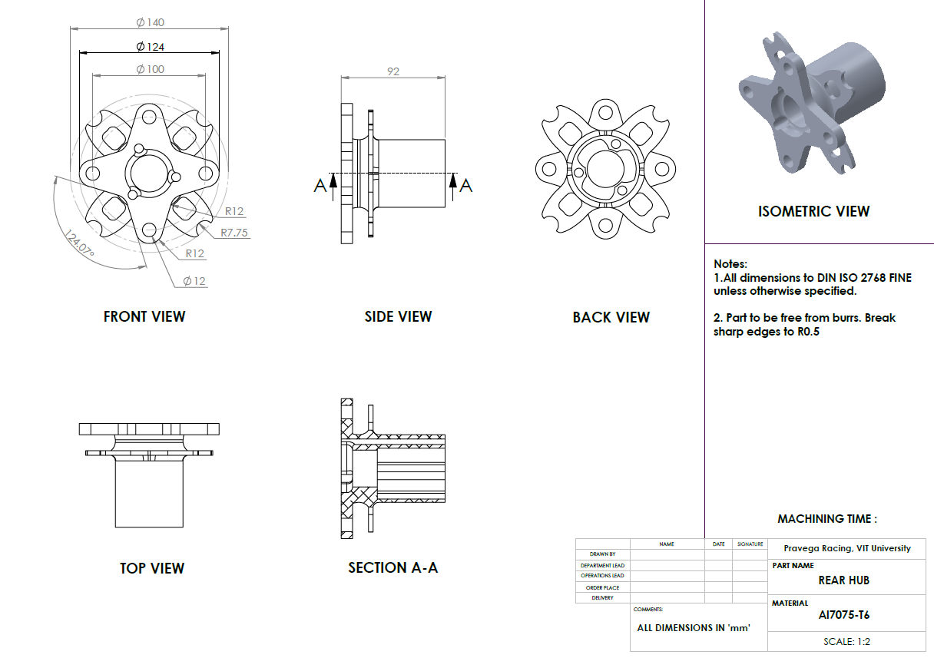

Front Hub Draft
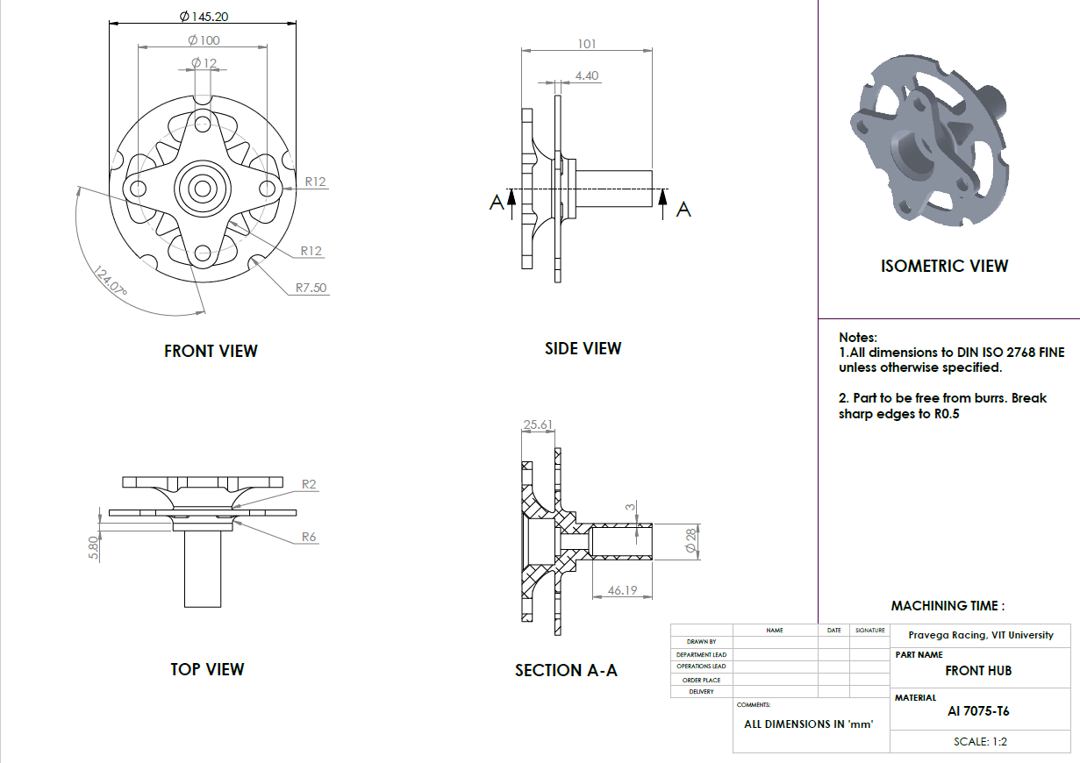

Front Hub Locker
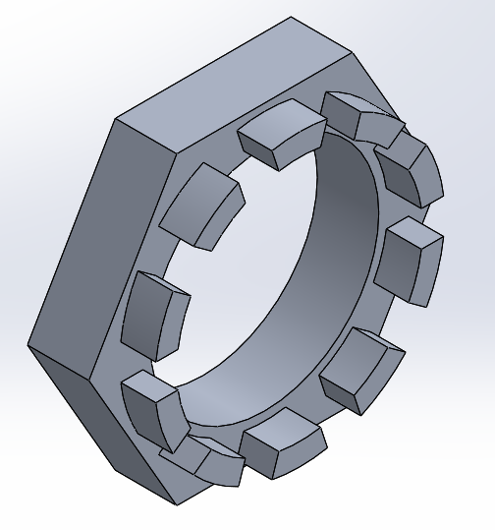
University | VIT University |  |  |  |  |  |  |  | Car # | 254 |  | Part Cost | $3.65
System | Wheels & Tires |  | FileLink1 |  |  |  |  |  |  |  |  | Qty | 2
Assembly | Wheel Assembly |  | FileLink2 |  |  |  |  |  | FileLink1 | Back to BOM
Part | Front Hub Locker |  | FileLink3 |  |  |  |  |  | FileLink2 |  |  | Extended Cost | $7.29
P/N Base |  |  |  |  |  |  |  |  | FileLink3
Suffix | AA
Details | To secure the hub in position while running

ItemOrder | Material | Use | UnitCost | Size1 | Unit1 | Size2 | Unit2 | Area Name | Area | Length | Density | Quantity | Sub Total
1 | Aluminum , Premium (per kg ) | Raw material to make hub locker | $4.20 | 0.12 | kg | Rectangular |  | Cross Section | 0.0017 | 0.03 | 2,700.00 | 1 | $0.48
 |  |  |  |  |  |  |  |  |  |  |  | Sub Total | $0.476

ItemOrder | Process | Use | UnitCost | Unit | Quantity | Multiplier | Mult. Val. | Sub Total
1 | Machining Setup, Install and remove | To fix the rectangular billet on the CNC machine | $1.30 | unit | 1 | None | 1 | $1.30
2 | Machining | To get outer hexagonal profile | $0.04 | cm^3 | 17 | Aluminum | 1 | $0.68
3 | Machining | Boring to get centre profile | $0.04 | cm^3 | 3 | Aluminum | 1 | $0.12
4 | Machining | To obtain the teeth for locking mechanism | $0.04 | cm^3 | 25 | Aluminum | 1 | $1.00
5 | Threading , Internal (Machining) | internal threading on hub locker | $0.10 | cm | 0.7 | Aluminum | 1 | $0.07
 |  |  |  |  |  |  | Sub Total | $3.17

ItemOrder | Fastener | Use | UnitCost | Size1 | Unit1 | Size2 | Unit2 | Quantity | Sub Total
 |  |  |  |  |  |  |  |  | $-
 |  |  |  |  |  |  |  | Sub Total | $-

ItemOrder | Tooling | Use | UnitCost | Unit | Quantity | PVF | FracIncld | Sub Total

 |  |  |  |  |  |  | Sub Total | $-

Rear Hub Locker
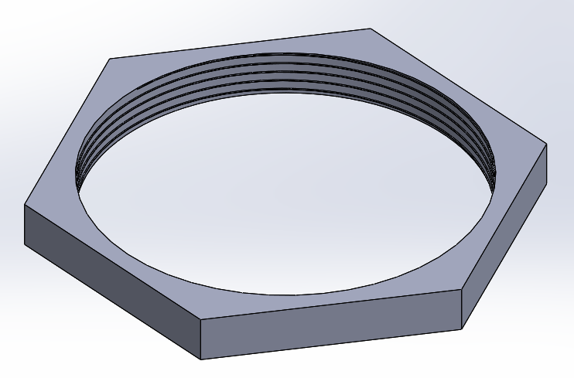
University | VIT University |  |  |  |  |  |  |  | Car # | 254 |  | Part Cost | $3.05
System | Wheels & Tires |  | FileLink1 |  |  |  |  |  |  |  |  | Qty | 2
Assembly | Wheel Assembly |  | FileLink2 |  |  |  |  |  | FileLink1 | Back to BOM
Part | Rear Hub Locker |  | FileLink3 |  |  |  |  |  | FileLink2 |  |  | Extended Cost | $6.11
P/N Base |  |  |  |  |  |  |  |  | FileLink3
Suffix | AA
Details | To secure the hub in position while running

ItemOrder | Material | Use | UnitCost | Size1 | Unit1 | Size2 | Unit2 | Area Name | Area | Length | Density | Quantity | Sub Total
1 | Aluminum , Premium (per kg ) | Raw material to make hub locker | $4.20 | 0.15 | kg | Rectangular |  | Cross Section | 0.0086 | 0.01 | 2,700.00 | 1 | $0.68
 |  |  |  |  |  |  |  |  |  |  |  | Sub Total | $0.683

ItemOrder | Process | Use | UnitCost | Unit | Quantity | Multiplier | Mult. Val. | Sub Total
1 | Machining Setup, Install and remove | To fix the rectangular billet on the CNC machine | $1.30 | unit | 1 | None | 1 | $1.30
2 | Machining | To get outer hexagonal profile | $0.04 | cm^3 | 17 | Aluminum | 1 | $0.68
3 | Machining | Boring to get | $0.04 | cm^3 | 8 | Aluminum | 1 | $0.32
4 | Threading , Internal (Machining) | internal threading on hub locker | $0.10 | cm | 0.7 | Aluminum | 1 | $0.07
 |  |  |  |  |  |  | Sub Total | $2.37

ItemOrder | Fastener | Use | UnitCost | Size1 | Unit1 | Size2 | Unit2 | Quantity | Sub Total
 |  |  |  |  |  |  |  |  | $-
 |  |  |  |  |  |  |  | Sub Total | $-

ItemOrder | Tooling | Use | UnitCost | Unit | Quantity | PVF | FracIncld | Sub Total

 |  |  |  |  |  |  | Sub Total | $-

Wheel Speed Sprocket

University | VIT University |  |  |  |  |  |  |  | Car # | 254 |  | Part Cost | $6.47
System | Wheels & Tires |  | FileLink1 |  |  |  |  |  |  |  |  | Qty | 1
Assembly | Wheel Assembly |  | FileLink2 |  |  |  |  |  | FileLink1 | Back to BOM
Part | Wheel Speed Sprocket |  | FileLink3 |  |  |  |  |  | FileLink2 |  |  | Extended Cost | $6.47
P/N Base |  |  |  |  |  |  |  |  | FileLink3
Suffix | AA
Details | To generate the magnetic flux to get instantaneous speed of wheel

ItemOrder | Material | Use | UnitCost | Size1 | Unit1 | Size2 | Unit2 | Area Name | Area | Length | Density | Quantity | Sub Total
1 | Steel | Raw material to make sprocket | $2.25 | 1.10 | kg | Rectangular sheet |  | Cross section | 0.0750 | 0.003 | 7,850.00 | 1 | $3.97
 |  |  |  |  |  |  |  |  |  |  |  | Sub Total | $3.974

ItemOrder | Process | Use | UnitCost | Unit | Quantity | Multiplier | Mult. Val. | Sub Total
1 | Machining Setup, Install and remove | To fix the rectangular plate on lasesr cut machine | $1.30 | unit | 1 | None | 1 | $1.30
2 | Laser Cut | To get the required profile | $0.01 | cm | 40 | Steel | 3 | $1.20
 |  |  |  |  |  |  | Sub Total | $2.50

ItemOrder | Fastener | Use | UnitCost | Size1 | Unit1 | Size2 | Unit2 | Quantity | Sub Total
 |  |  |  |  |  |  |  |  | $-
 |  |  |  |  |  |  |  | Sub Total | $-

ItemOrder | Tooling | Use | UnitCost | Unit | Quantity | PVF | FracIncld | Sub Total

 |  |  |  |  |  |  | Sub Total | $-

